CVT Reference 1
Info from Clutch Tuning handbook by Olav Aaen, and other sources.

Typical CVT Cutaway | Conventional Transmission | CVT Continuously Variable Transmission | A: Idle | Primary clutch engagement | F: Straight Shift | G: Shift Out
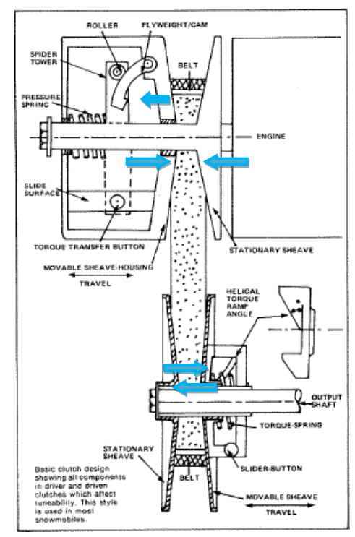
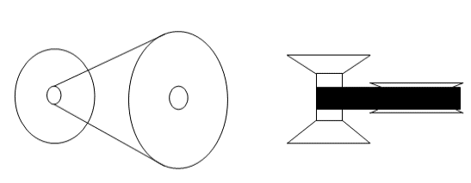
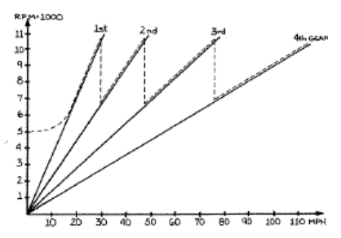
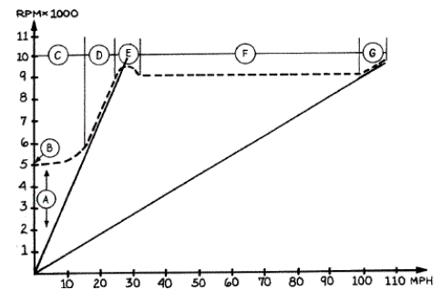

 |  |  |  | 1. Vehicle accelerates in low gear range so as to overcome standing inertia of vehicle. The output axle rotates more slowly than the input crankshaft while transferring the same power to the track creating a high torque situation for vehicle launch. 2. Engine speed is sufficient to cause flyweight and pressure spring interaction and proceeds to climb toward optimal operating speed and power output. 3. Interaction of flyweight and pressure spring forces causes primary pulley sheaves to clamp belt thus engaging the CVT system and causing vehicle acceleration. 4. Belt begins to rise in the primary pulley as engine speed increases, though the belt remains high in the secondary pulley until optimal engine speed is attained. Belt diameter is smaller in the primary pulley than in the secondary pulley through low range acceleration. 5. Engine speeds from engagement to optimal power output (5000rpm and 9000rpm respectively infigure) define the period of low range gear ration of the CVT. | 1. Vehicle accelerates consistently through its range of speed while engine speed remains constant and the transmission is stable in a one to one ratio. 2. Engine speed is at optimal output and is sustainable at this level of power production. 3. The primary pulley is mostly engaged/closed which creates sufficient belt force to engage/ split the secondary pulley at this optimal level of engine operation. 4. Belt diameter begins to drop in the secondary pulley. Since both pulley springs are in operation, belt diameter between the pulleys equalizes and creates the 1:1 straight shift ratio, shown in figure, allowing the engine speed to remain at a single level of performance (9,000 rpm in figure). 5. The vehicle accelerates and the engagement of both pulleys allows for sensitive torque feedback. This means that as the vehicle encounters various track conditions, the transmission pulleys will automatically produce minor gear ration adjustments across their continuous range in order to maintain optimal engine speed. | 1. Vehicle approaches top speed. 2. Engine output begins to exceed the optimal value and degrades in sustainability. 3. Both pulleys become fully engaged causing the belt to sit at its highest in the primary pulley and lowest in the secondary pulley thus creating the high range gear ratio shown in figure. 4. The high range gear ratio lasts from optimal engine speed to engine peak at which point the engine cannot operate any faster and the transmission is at its limit of actuation and gear exchange.

 |  |  | 1. Vehicle is at rest. 2.Engine speed is below CVT engagement speed and does not create enough centrifugal force in the flyweights for mechanism interaction. 3. Flyweight force is not sufficient to actuate the pressure spring and close the primary pullet for belt engagement. 4. Belt seats low in primary pulley and high in secondary pulley prepared for high torque, low ratio engagement.

 | Engine speed is depicted against vehicle speed. The dashed line represents the rise and fall of engine speed as each gear exchange is made.

 |  | CVT speed diagram.
 |  | A: Idle range
 | CVT Continuously Variable Transmission | B: Primary clutch engagement
 |  | C: Belt is gripping
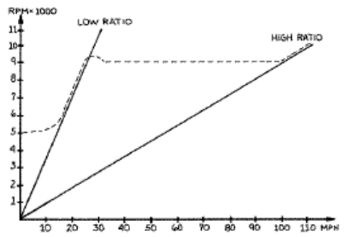
 |  | D: Low ratio range
 |  | E: Secondary clutch pulley engages (dia changes)
 |  | F: "Straight Shift" Accleration
 |  | G: High ratio "Shift Out"

 | CVT speed diagram in which the dashed line represents engine speed. The advantage of the CVT is that it allows the engine speed to remain mostly constant thus producing steady power production through the majority of vehicle advancement.

